Rating, market risk - Heading 1
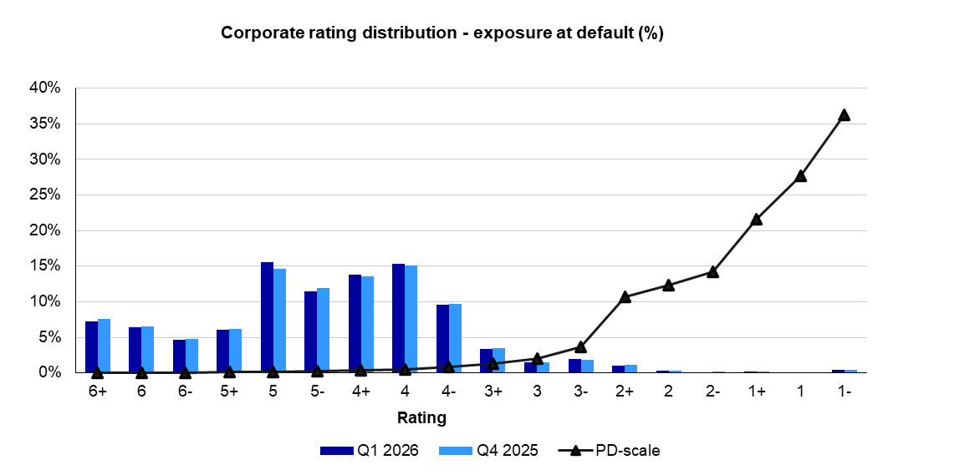
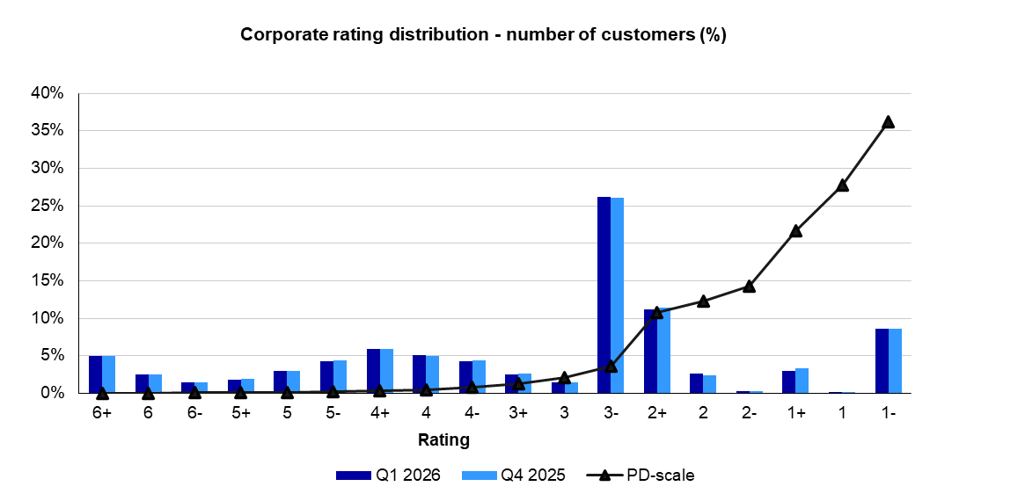
RISK, LIQUIDITY AND CAPITAL MANAGEMENT
Rating distribution
Corporate rating distribution
Q126

Rating, market risk - Heading 2
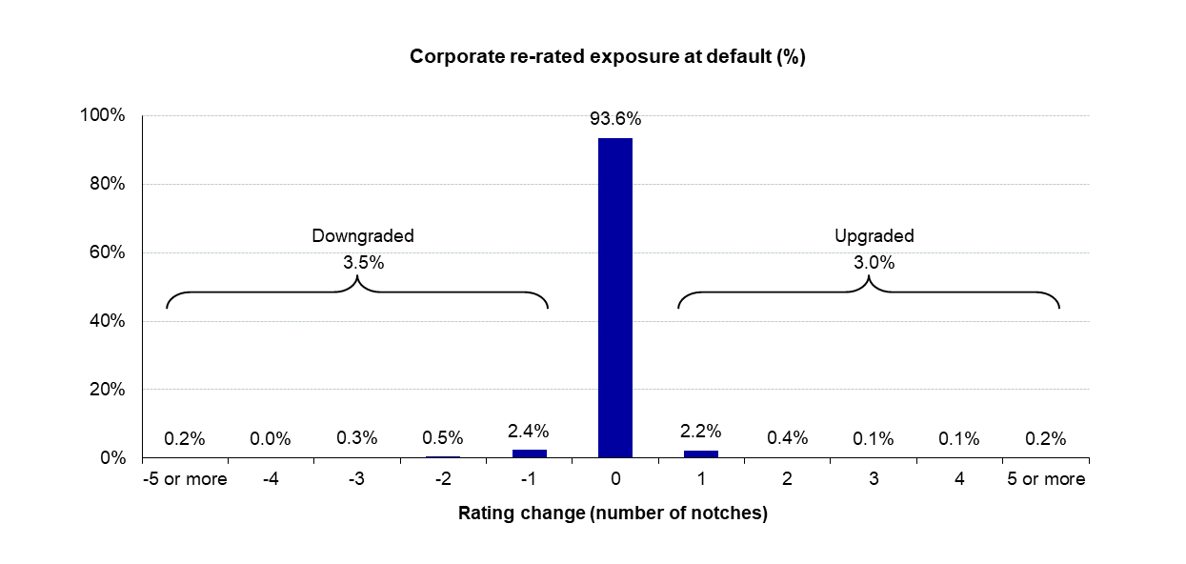
Corporate rating migration
Q126

Short-term funding - Heading 1
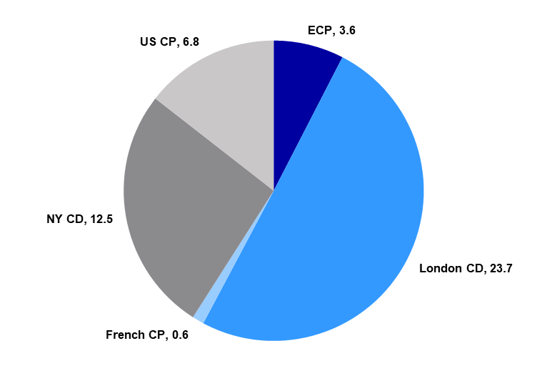
RISK, LIQUIDITY AND CAPITAL MANAGEMENT
Short-term funding
Diversification of short-term funding programmes

Outstanding volume of short-term funding EUR 47.1bn
Q126

